Φύλλο1
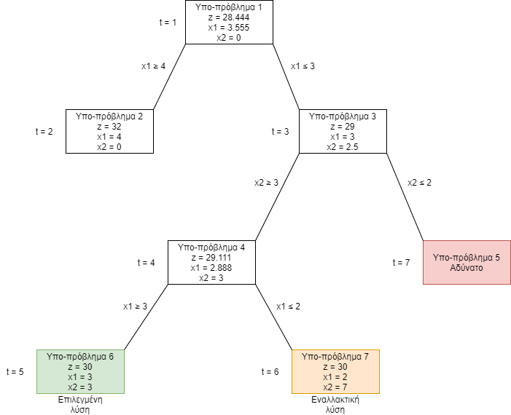
 |  |  |  |  |  | Sub problem 2 | Sub problem 3 | Sub problem 4 | Sub problem 5 | Sub problem 6 | Sub problem 7
x1 | x2 | obj z | x1 + x2 >= -10 | 4,5x1 + x2 >= 16 | x1 + x2 <= 10 | x1 >= 4 | x1 <= 3 | x2 >= 3 | x2 <= 2 | x1 >= 3 | x1 <= 2
2 | 7 | 30 | 9 | 16 | 9 | 2 | 2 | 7 | 7 | 2 | 2
 |  |  | -10 | 16 | 10 | 4 | 3 | 3 | 2 | 3 | 2

